Sol 1.
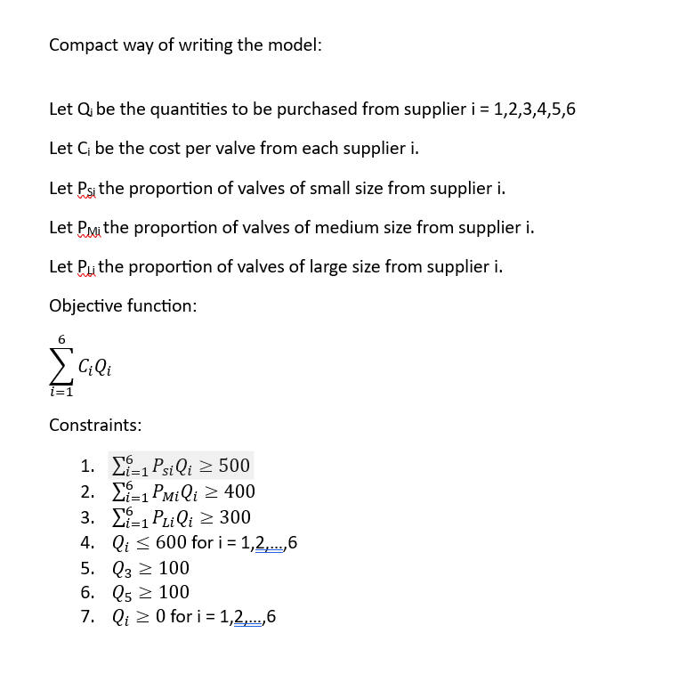
1. Linear programing model for minimizing the monthly cost of purchasing heart valves:
Decision variable:
Given we have six suppliers, the numbers of decision variables equal 6.
Assuming Q1, Q2, Q3, Q4, Q5, Q6 to be the quantities purchased from each supplier.

Objective function:
Minimize (195)Q1 + (198)Q2 + (195)Q3 + (190)Q4 + (200)Q5 + (210)Q6

Constraints:
1. Minimum quantity for small vales at least 500:
(0.25)Q1 + (0.20)Q2 + (0.40)Q3 + (0.20)Q4 + (0.30)Q5 + (0.40)Q6 >= 500
2. Minimum quantity for small vales at least 400:
(0.50)Q1 + (0.30)Q2 + (0.40)Q3 + (0.50)Q4 + (0.30)Q5 + (0.20)Q6 >= 400
3. Minimum quantity for small vales at least 300:
(0.25)Q1 + (0.50)Q2 + (0.20)Q3 + (0.30)Q4 + (0.40)Q5 + (0.40)Q6 >= 300
4. Quantities from each supplier to be less than 600:
Q1 <= 600
Q2 <= 600
Q3 <= 600
Q4 <= 600
Q5 <= 600
Q6 <= 600
5. Minimum quantity from supplier 3 and 5 to be 100.
Q3 >= 100
Q5 >= 100
6. Non-negativity contraints : Q1,Q2,Q3,Q4,Q5,Q6 >= 0

Sol 2.
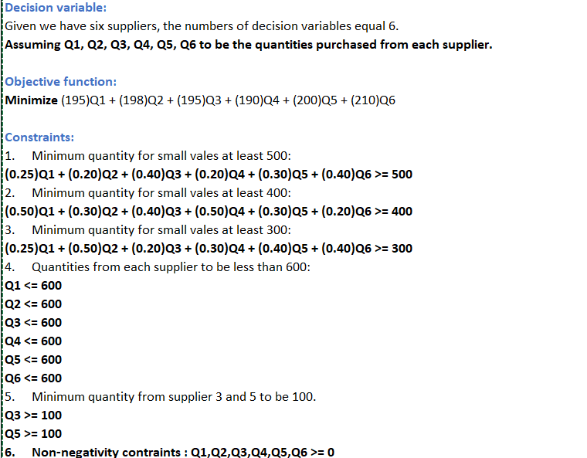
Decision variables |  |  | Cost per valve | Proportion of small valves | Proportion of medium valves | Proportion of large valves
Supplier 1 quantity | Q1 = | 1011.9924927 | 195 | 0.25 | 0.50 | 0.25
Supplier 2 quantity | Q2 = | 1320 | 198 | 0.20 | 0.30 | 0.50
Supplier 3 quantity | Q3 = | 0 | 195 | 0.40 | 0.40 | 0.20
Supplier 4 quantity | Q4 = | 0 | 190 | 0.20 | 0.50 | 0.30
Supplier 5 quantity | Q5 = | 0 | 200 | 0.30 | 0.30 | 0.40
Supplier 6 quantity | Q6 = | 0 | 210 | 0.40 | 0.20 | 0.40
 | Total | 2331.9924927

Objective function |  | 458698.53607

Constraints | LHS |  | RHS
Small valves quantity to be atleast 500 | 516.99812317 | >= | 500
Medium valves quantity to be atleast 400 | 901.99624634 | >= | 400
Large valves quantity to be atleast 300 | 912.99812317 | >= | 300
Minimum quantity from Supplier 3 | 0 | >= | 100
Minimum quantity from Supplier 5 | 0 | >= | 100
Maximum quantity from supplier 1 | 1011.9924927 | <= | 600
Maximum quantity from supplier 2 | 1320 | <= | 600
Maximum quantity from supplier 3 | 0 | <= | 600
Maximum quantity from supplier 4 | 0 | <= | 600
Maximum quantity from supplier 5 | 0 | <= | 600
Maximum quantity from supplier 6 | 0 | <= | 600

According to the Excel Solver, we have these optimum quantities from each supplier:
Q1 = 40, Q2 = 0, Q3 = 600, Q4 = 0, Q5 = 100, Q6 = 550
This means that the healthcare organization should buy heart valves in total from 4 suppliers: supplier 1, 3, 5 and 6. They should buy maximum from supplier 3 followed by supplier by 6 and then by 5 and 1.
The optimum order quantity of small and medium heart valves equals its minimum quantity, while for large heart valves, it is 390.

Minimum cost equals $260300.

Sol 5.
One-way analysis for Solver model in Sol 4. worksheet |  |  |  |  |  |  |  |  | Sensitivity of $D$11 to Input

When you select an output from the dropdown list in cell $K$4, the chart will adapt to that output.
Input (cell $E$25) values along side, output cell(s) along top |  |  |  |  |  |  |  |  | Data for chart
 | $D$11 | $D$3 | $D$4 | $D$5 | $D$6 | $D$7 | $D$8 | 1 | $D$11
0 | 260300 | 40 | 0 | 600 | -7.1054273576E-15 | 100 | 550 |  | 260300
20 | 260640 | 18.666666667 | 0 | 600 | 20 | 100 | 553.33333333 |  | 260640
Sensitivity of $D$11 to Input
40 | 261150 | 0 | 0 | 600 | 40 | 100 | 555 |  | 261150
60 | 262850 | 0 | 0 | 600 | 60 | 100 | 545 |  | 262850
80 | 264550 | 0 | 0 | 600 | 80 | 100 | 535 |  | 264550
100 | 266250 | 0 | 0 | 600 | 100 | 100 | 525 |  | 266250
120 | 267950 | 0 | 0 | 600 | 120 | 100 | 515 |  | 267950
140 | 269650 | 0 | 0 | 600 | 140 | 100 | 505 |  | 269650
160 | 271350 | 0 | 0 | 600 | 160 | 100 | 495 |  | 271350
180 | 273050 | 0 | 0 | 600 | 180 | 100 | 485 |  | 273050
200 | 274750 | 0 | 0 | 600 | 200 | 100 | 475 |  | 274750
220 | 276450 | 0 | 0 | 600 | 220 | 100 | 465 |  | 276450
240 | 278150 | 0 | 0 | 600 | 240 | 100 | 455 |  | 278150
260 | 279850 | 0 | 0 | 600 | 260 | 100 | 445 |  | 279850
280 | 281550 | 0 | 0 | 600 | 280 | 100 | 435 |  | 281550
300 | 283250 | 0 | 0 | 600 | 300 | 100 | 425 |  | 283250
320 | 284950 | 0 | 0 | 600 | 320 | 100 | 415 |  | 284950
340 | 286650 | 0 | 0 | 600 | 340 | 100 | 405 |  | 286650
360 | 288350 | 0 | 0 | 600 | 360 | 100 | 395 |  | 288350
380 | 290050 | 0 | 0 | 600 | 380 | 100 | 385 |  | 290050
400 | 291750 | 0 | 0 | 600 | 400 | 100 | 375 |  | 291750

 | We can see using the sensitivity analysis, if we increase the minimum quantity of supplier 4, cost also increases which means cost is sensitive to supplier 4 quantity. Keeping other factors constant, Q4 = 0 makes the cost minimum. For other suppliers, only supplier 6 is sensitive to supplier 4 quantity. If Q4 increases, then Q6 declines. But all other supplier quantities are insensitive to supplier 4 quantity.

